Start Here
 |  | Cobalt Enablement team welcomes you to your AWS cloud journey!!

 | Step 1 |  | Step 2 | Step 3 | Step 4 | Step 5 | Step 6

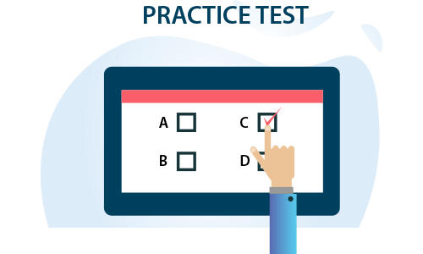
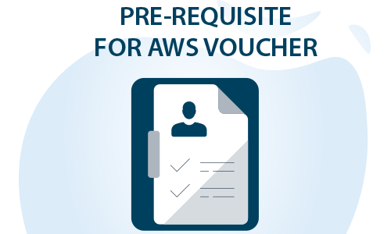
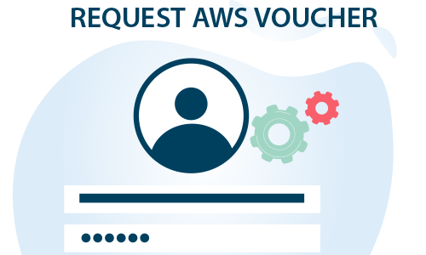

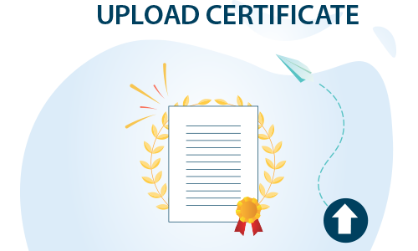

Nominate for ETA Training through Unit anchors
 | OR
Complete Self paced trainings
 | OR
Any other External trainings

Learn - ETASchedule
<< Back

ETA publish next month training schedule on 18th of evey month . Send in your nomination to Unit anchors before 25th of every month for next month AWS trainings
Unit anchors
For e.g - If you want to attend Feb AWS trainings , send in your nominations to unit anchor before 25th Jan

Training Nomination details to be shared to Unit Anchors in below format
Emp # |  | Emp Name | E Mail ID | UNIT | Account

July 2022 Schedule

AWS Schedule for Offshore
Course Name & Self learning link in Lex | Session Date and Duration | AWS Morning Batch | AWS Afternoon Batch
 |  | [ 9:30AM- 1:00PM IST] | [02:00 PM - 05:30 PM IST]
Essentials of cloud computing | 05, 06 July 2022 [2 days] | AWS Offshore Registration Link
AWS - Services overview | 07, 08 July 2022 [2 days]
AWS- Compute, Network Services | 11, 12 July 2022 [2 days] | [ Please select appropriate drop down while filling the form to opt for suitable batch]
AWS Storage, Databases & Migration Services | 14,15 July 2022 [2 days]
AWS Authentication, Automation and Integration Services | 18,19 July 2022[2 days]
Developing on AWS- APIs Server-less Computing and DevOps | 21,22 July 2022 [2 days]
Internal Certification | 18 Aug 2022 | Infosys Certified AWS Developer Associate

AWS Schedule for onsite [8:30 PM IST to 10:30 PM IST] |  | Link for registration
Course Name | Session Date and Duration | AWS Onsite Registration Link
AWS - Services overview | 05, 06, 07 July 2022 [3 days]
AWS- Compute, Network Services | 12, 13, 14 July 2022 [3 days]
AWS Storage, Databases & Migration Services | 18, 19, 20 July 2022 [ 3 days]
AWS Authentication, Automation and Integration Services | 21, 22,25 July 2022 [3days]
Architecting on AWS | 26,27, 28,29 July 2022 [4 days]
Internal Certification | 18-Aug-22 | Infosys Certified AWS Solutions Architect Associate

Learn - Self Learning links
<< Back
 | AWS Learning Paths

For AWS digital training material, sign in with your APN Partner Central login id & password. If you do not have an APN account, please |  |  |  | self-register | with Infosys email ID. For more details refer | APN Partner Central Guide

S.No. | Course Name | LEX Courses | *External Resources – Learning Path | *External Resources – Cert. Prep. Learning Path | Teams Channel
1 | AWS Cloud Practitioner | Full Stack AWS Cloud Practitioner | AWS Cloud Practitioner Essentials | Exam Readiness: AWS Certified Cloud Practitioner | Channel
2 | AWS Developer Associate | Full Stack AWS Developer Associate | AWS Ramp-Up Guide: Developer | Exam Readiness: AWS Certified Developer - Associate | Channel
3 | AWS Solutions Architect Associate | Full Stack AWS SA Associate | AWS Ramp-Up Guide: Architect | Exam Readiness: AWS Certified Solutions Architect - Associate | Channel
4 | AWS SysOps Administrator Associate | Full Stack AWS Systems Operations Associate | AWS Ramp-Up Guide: Operations | Exam Readiness: AWS Certified SysOps Administrator - Associate | Channel
5 | AWS Solutions Architect Professional | Full Stack AWS Solution Architect Professional | AWS Ramp-Up Guide: Architect | Exam Readiness: AWS Certified Solutions Architect - Professional | Channel
6 | AWS Certified Security - Specialty | Full Stack AWS Security Specialty | AWS Ramp-Up Guide: Security | Exam Readiness: AWS Certified Security Specialty | Channel
7 | AWS DevOps Engineer Professional | Full Stack AWS DevOps Engineer Professional | AWS Ramp-Up Guide: DevOps | Exam Readiness: AWS Certified DevOps Engineer - Professional | Channel
8 | AWS Certified Data Analytics Specialty | NA | AWS Ramp-Up Guide: Data Analytics | Exam Readiness: AWS Certified Data Analytics Specialty | Channel
9 | AWS Certified Advanced Networking - Specialty | NA | AWS Ramp-Up Guide: Networking and Content Delivery | Exam Readiness: AWS Certified Advanced Network Specialty | Channel
10 | AWS Certified Machine Learning - Specialty | NA | AWS Ramp-Up Guide: Machine Learning | Exam Readiness: AWS Certified Machine Learning Specialty | Channel
11 | AWS Certified Database Specialty | NA | AWS Ramp-Up Guide: Database | Exam Readiness: AWS Certified Database Specialty | Channel

Practice Test
<< Back
Practice Test

Practice Exams available on LEX for the following AWS Full Stack Programs:
AWS FULL STACK PROGRAMS | PRACTICE EXAMS
AWS Cloud Practitioner | Practice Exam
AWS Solutions Architect Associate | Practice Exam
AWS Developer Associate | Practice Exam
AWS Certified SysOps Administrator Associate | Practice Exam
AWS Certified Solutions Architect Professional | Practice Exam
AWS Certified Security Specialty | Practice Exam

Pre-requsite
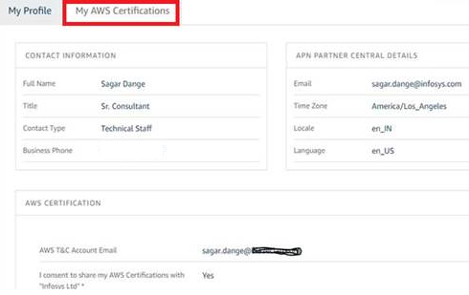
<< Back
 |  | Pre-requsite for getting voucher for External Certification

Step 1: | Pass equivalent AWS Certification
Complete equivalent AWS certification before nominating for external certification
Note:
• Practitioner vouchers are issued to JL4 and above
• Developers (JL3 and below) should focus on technical certifications (Associate/Specialty/Professional)
 |  | External Certifications | AWS Certifications to be completed as a pre-requisite
 |  | AWS Cloud Practitioner | Infosys Certified AWS Cloud Practitioner
 |  | AWS Developer Associate | Infosys Certified AWS Developer Associate
 |  | AWS Solutions Architect Associate | Infosys Certified AWS Solutions Architect Associate
 |  | AWS Certified SysOps Administrator Associate | Infosys Certified AWS SysOps Administrator Associate
 |  | AWS Certified Solutions Architect Professional | Infosys Certified AWS Solutions Architect Professional
 |  | AWS Certified Security - Specialty | Infosys Certified AWS Security Specialty
 |  | AWS DevOps Engineer Professional | Any Internal/External AWS Associate Certification
 |  | AWS Certified Data Analytics Specialty | Any Internal/External AWS Associate Certification
 |  | AWS Certified Advanced Networking - Specialty | Any Internal/External AWS Associate Certification
 |  | AWS Certified Machine Learning - Specialty | Any Internal/External AWS Associate Certification
 |  | AWS Certified Database Specialty | Any Internal/External AWS Associate Certification

Step 2: | Create Account on APN portal and update Consent Form as explained in the PDF

Step 2.1: Login to APN Portal
Step 2.2 : Edit Profile
Step 2.3 : As mentioned in below screen shot (highlighted in red), provide email id used on Training & Certification portal(T&C) to take certification . On T&C portal , No change required.
Step 2.4 : Select ‘Yes ’ in I consent to share my AWS certifications with Infosys ltd . (Refer below screen shot)
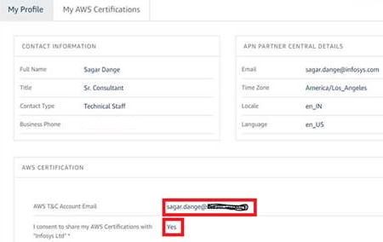

Step 2.5 : When T&C email id is mapped on APN portal, you will be able to see the completed certifications in My AWS Certifications tab

Request AWS Voucher
<< Back
 |  | Request AWS voucher for External Certification

 | Send the AWS Voucher request post completion of Pre-requisite.

 | Note: VPN connectivity is mandatory for accessing the portal

Note:
• Practitioner vouchers are issued to JL4 and above
• Developers (JL3 and below) should focus on technical certifications (Associate/Specialty/Professional)

Get Certified
<< Back

Steps to book for AWS Exam

Step 1: Sign in or create an account

Go to https://aws.training/
Select “Sign in” (located on the far right of the top navigation bar) to sign in or create a new account.

Step 2: Register for your exam

Vouchers are non refundable and cannot be exchanged for another type of voucher.

Once you are signed in to your account, follow these instructions:

To schedule with a Pearson VUE testing center:

Select “Certification” in the top navigation bar.
Create an AWS certification account if you don’t have one. Otherwise, select the “GO TO YOUR ACCOUNT” button.
Select the “Schedule New Exam” button.
Find the exam you wish to take, and select “Schedule with Pearson VUE.”
You will be redirected to Pearson VUE’s scheduling page where-in you can schedule your exam. Follow the prompts to purchase the exam, and use this exam voucher code as payment. A confirmation will be emailed to you once the exam has been scheduled.

For questions about the AWS Certification program, please visit https://www.aws.training/faq.

Have questions about your voucher code? Please contact Xvoucher Support.

Good luck on your AWS Certification exam!
-------------------------------------------------

Upload Certificate
<< Back
 | To upload the certificate in Lex:

· Click on the respective certification link given below and login to Lex.

 | Exam Name | Upload Link
 | AWS Cloud Practitioner | Lex link | · Fill in all the details of the certification like Exam Date, Result Type, Verifier Email ID and Result.
 | AWS Certified Developer Associate | Lex link | · In this you will have an option to choose the Result Type as Percentage, Grade or Others. Based on the selection of Result Type you can enter relevant result in the text box below.
 | AWS Certified Solutions Architect Associate | Lex link | · Once all the fields are provided, click on Select File button and select the file that you want to upload.
 | AWS Certified SysOps Administrator | Lex link | · You can now click on Upload Proof button to get the certification verified.
 | AWS Certified Solutions Architect Professional | Lex link
 | AWS Certified DevOps Engineer Professional | Lex link
 | AWS Certified Data Analytics Specialty | Lex link
 | AWS Certified Advanced Networking - Specialty | Lex link
 | AWS Certified Security – Specialty | Lex link
 | AWS Certified Machine Learning - Specialty | Lex link
 | AWS Certified Database Specialty | Lex link

